Test Report
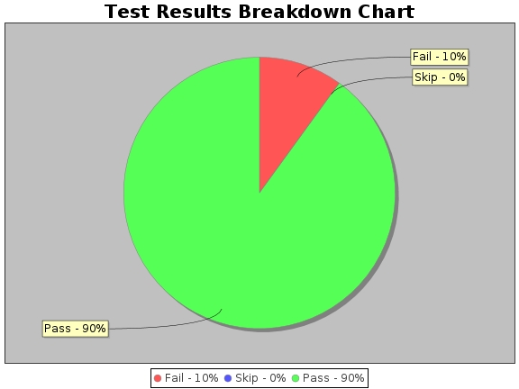
Test Report for REST API TEST RESULT:Web Services
Run ID | 13009
Environment | QA
Phase | Regression
Start Time | Mon Aug 30 00:59:28 EDT 2021
End Time | Mon Aug 30 00:59:36 EDT 2021
Total time taken | 0 mins
Total Test Cases | 10
Total Pass | 9
Total Fail | 1
Total Skip | 0
Modules | [createFalconPosts]
Browsers | []
Tests | Please see Test Cases sheet

